Inquiry
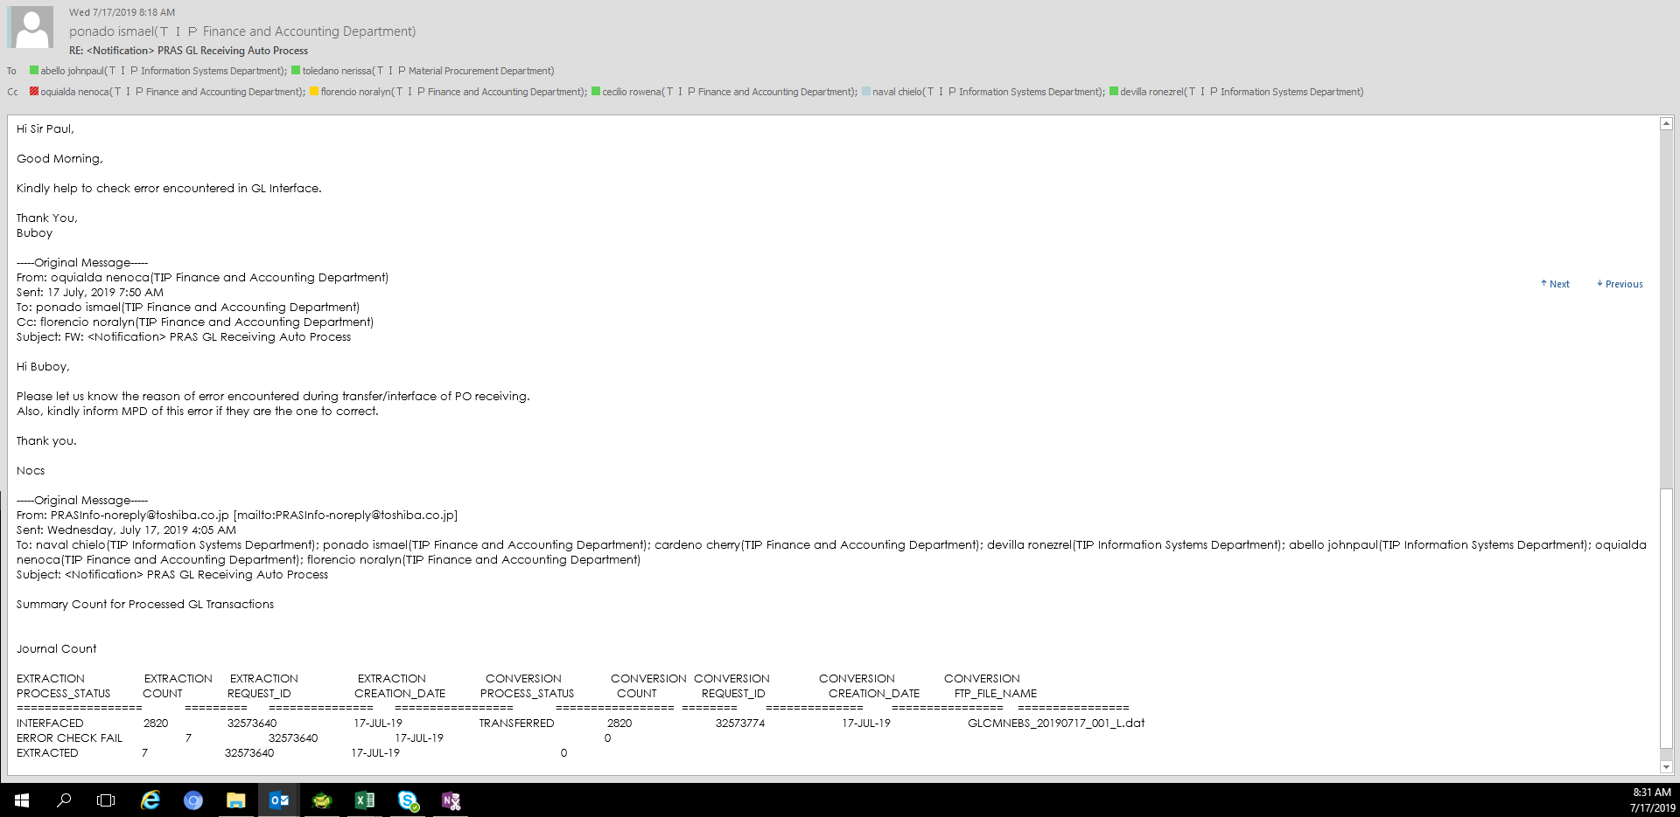

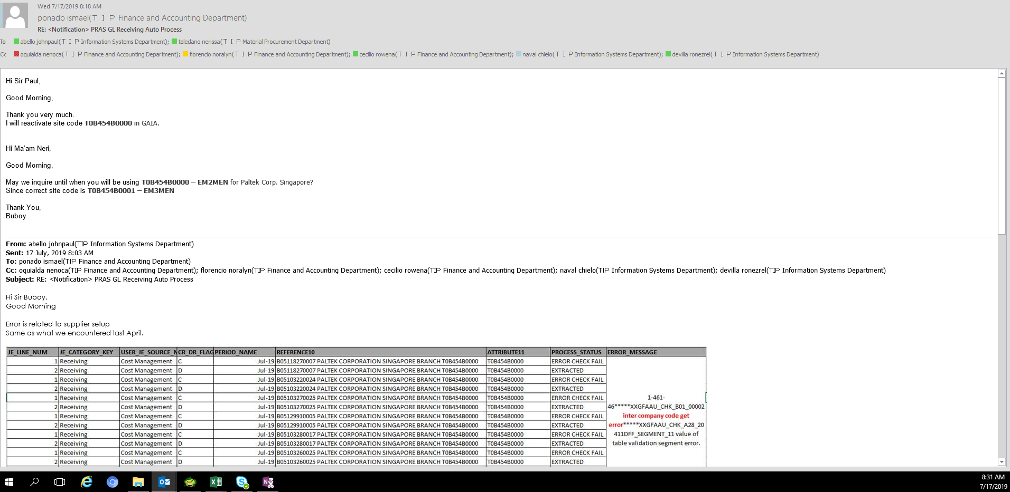

Recovery
1. Inactive site code must be re-activated c/o FIA
NOTE: as per MPD's memo, this should be set to inactive by October 2019'

[EMAIL CONVERSATION]

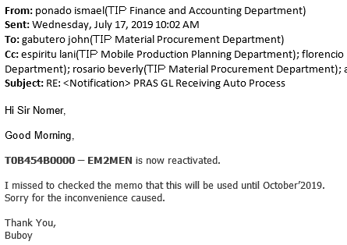

[AFTER REACTIVATION]
SELECT JE_LINE_NUM,
JE_CATEGORY_KEY,
USER_JE_SOURCE_NAME ,
CR_DR_FLAG ,
PERIOD_NAME ,
REFERENCE10 ,
-- ATTRIBUTE11 ,
PROCESS_STATUS ,
ERROR_MESSAGE,
ftp_file_name,
creation_date
FROM xx00ifgl_journal_if_all
WHERE je_header_num IN ('2686342',
'2686907',
'2686560',
'2687288',
'2686607',
'2687212',
'2686764')

JE_LINE_NUM | JE_CATEGORY_KEY | USER_JE_SOURCE_NAME | CR_DR_FLAG | PERIOD_NAME | REFERENCE10 | PROCESS_STATUS | ERROR_MESSAGE | FTP_FILE_NAME | CREATION_DATE
1 | Receiving | Cost Management | C |  | B05118270007 PALTEK CORPORATION SINGAPORE BRANCH T0B454B0000 | TRANSFERRED |  | GLCMNEBS_20190718_001_L.dat | 7/18/19
2 | Receiving | Cost Management | D |  | B05118270007 PALTEK CORPORATION SINGAPORE BRANCH T0B454B0000 | TRANSFERRED |  | GLCMNEBS_20190718_001_L.dat | 7/18/19
1 | Receiving | Cost Management | C |  | B05103220024 PALTEK CORPORATION SINGAPORE BRANCH T0B454B0000 | TRANSFERRED |  | GLCMNEBS_20190718_001_L.dat | 7/18/19
2 | Receiving | Cost Management | D |  | B05103220024 PALTEK CORPORATION SINGAPORE BRANCH T0B454B0000 | TRANSFERRED |  | GLCMNEBS_20190718_001_L.dat | 7/18/19
1 | Receiving | Cost Management | C |  | B05103270025 PALTEK CORPORATION SINGAPORE BRANCH T0B454B0000 | TRANSFERRED |  | GLCMNEBS_20190718_001_L.dat | 7/18/19
2 | Receiving | Cost Management | D |  | B05103270025 PALTEK CORPORATION SINGAPORE BRANCH T0B454B0000 | TRANSFERRED |  | GLCMNEBS_20190718_001_L.dat | 7/18/19
1 | Receiving | Cost Management | C |  | B05129910005 PALTEK CORPORATION SINGAPORE BRANCH T0B454B0000 | TRANSFERRED |  | GLCMNEBS_20190718_001_L.dat | 7/18/19
2 | Receiving | Cost Management | D |  | B05129910005 PALTEK CORPORATION SINGAPORE BRANCH T0B454B0000 | TRANSFERRED |  | GLCMNEBS_20190718_001_L.dat | 7/18/19
1 | Receiving | Cost Management | C |  | B05103280017 PALTEK CORPORATION SINGAPORE BRANCH T0B454B0000 | TRANSFERRED |  | GLCMNEBS_20190718_001_L.dat | 7/18/19
2 | Receiving | Cost Management | D |  | B05103280017 PALTEK CORPORATION SINGAPORE BRANCH T0B454B0000 | TRANSFERRED |  | GLCMNEBS_20190718_001_L.dat | 7/18/19
1 | Receiving | Cost Management | C |  | B05103260025 PALTEK CORPORATION SINGAPORE BRANCH T0B454B0000 | TRANSFERRED |  | GLCMNEBS_20190718_001_L.dat | 7/18/19
2 | Receiving | Cost Management | D |  | B05103260025 PALTEK CORPORATION SINGAPORE BRANCH T0B454B0000 | TRANSFERRED |  | GLCMNEBS_20190718_001_L.dat | 7/18/19
1 | Receiving | Cost Management | C |  | B05020670002 PALTEK CORPORATION SINGAPORE BRANCH T0B454B0000 | TRANSFERRED |  | GLCMNEBS_20190718_001_L.dat | 7/18/19
2 | Receiving | Cost Management | D |  | B05020670002 PALTEK CORPORATION SINGAPORE BRANCH T0B454B0000 | TRANSFERRED |  | GLCMNEBS_20190718_001_L.dat | 7/18/19

[ISSUE CLOSED]

